Sheet1
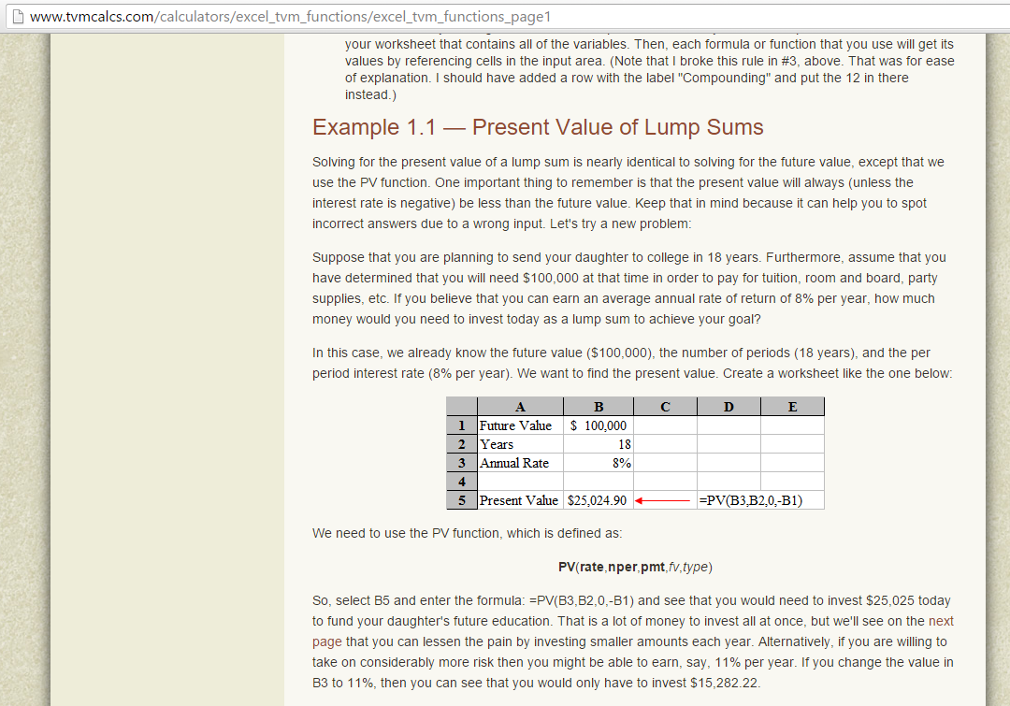
Analysis of Social Security Maximum Monthly Benefits for 2015 |  |  |  | Discount Rate
 |  |  |  | 2.00%
Age of Application | Monthly Benefit | Life Expectancy Years | Total Lifetime Benefit | Present Value
62 | $2,025 | 19.90 | $483,570 | $397,027.28
66 | $2,663 | 16.93 | $541,015 | $423,693.11
70 | $3,501 | 14.13 | $593,630 | $441,041.60

Link to Maximum Monthly SS Benefit: https://faq.ssa.gov/link/portal/34011/34019/Article/3735/
Link to SS life expectancy tables: https://www.ssa.gov/oact/STATS/table4c6.html

Calculations
Present Value (PV) | ($397,027.28) | ($458,619.05) | ($516,750.53)
Annual Interest Rate | 2.000% | 2.000% | 2.000%
Years | 19.8 | 16.93 | 14.13
Montly Payment | $2,025 | $2,663 | $3,501
Start Adjusted PV | $397,027.28 | $423,693.11 | $441,041.60

